LIST FOR GEORGIA
No | NAME | QTY |  |  | CNY PRICE | RATE 4-4 | USD PRICE | TOTAL PRICE | PRODUCTION | PICTURE | QTY, VOLUME AND WEIGHT PER BOX |  |  | GRAND TOTAL |  |  | NOTICE
 |  |  | I მოწოდება | II მოწოდება |  |  |  |  | TIME (DAYS) |  | QTY | VOLUME | WEIGTH | BOXES | VOLUME | WEIGHT
2 | MEDICAL PROTECTIVE COVERALL BH500 | 100000 | 50000 | 50000 | ¥80.00 | ¥7.08 | $11.30 | $1,129,943.50 | 9 DAYS | 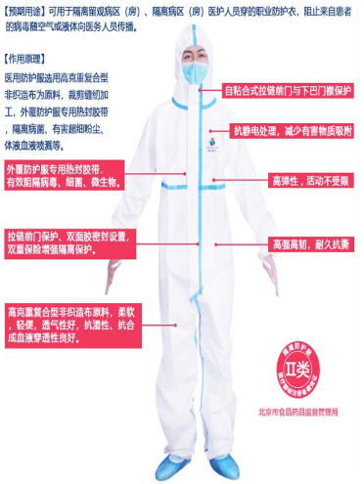 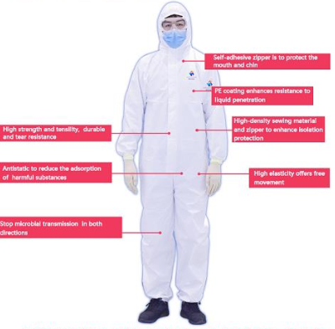 | 25 PCS/BOX | 0.0896 | 8.32 | 4000 | 358.4 | 33280 | TYPE 5 AND TYPE 6 PROTECTION
3 | MEDICAL PROTECTIVE GOGGLES | 50000 | 25000 | 25000 | ¥21.50 | ¥7.08 | $3.04 | $151,836.16 | 9 DAYS |  | 200 PCS/BOX | 0.1258 | 17.5 | 250 | 31.45 | 4375
5 | SHOE COVERS FOR PROTECTIVE SUITS | 100000 | 50000 | 50000 | ¥13.30 | ¥7.08 | $1.88 | $187,853.11 | 9 DAYS |  | 50 PCS/BOX | 0.0246 | 2.1 | 2000 | 49.2 | 4200
7 | DISPOSABLE MEDICAL SURGICAL MASK | 500000 | 25000 | 25000 | ¥2.65 | ¥7.08 | $0.37 | $187,146.89 | 8 DAYS |  | 2000 PCS/BOX | 0.0896 | 8.1 | 250 | 22.4 | 2025
11 | DISPOSABLE MEDICAL LATEX GLOVES (WITH POWDER) | 100000 | 25000 | 25000 | ¥0.56 | ¥7.08 | $0.08 | $7,909.60 | 7 DAYS |  | 1000 PCS/BOX | 0.0216 | 8.1 | 100 | 2.16 | 810
12 | DIGITAL THERMOMETERS | 300 | 150 | 150 | ¥224.00 | ¥7.08 | $31.64 | $9,491.53 | 7 DAYS |  | 50 PCS/BOX | 0.0685 | 9 | 6 | 0.411 | 54
13 | SURGICAL GOWNS | 100000 | 50000 | 50000 | ¥24.00 | ¥7.08 | $5.50 | $550,000.00 |  |  | 100 PCS/BOX | 0.421 | 18.2 | 1000 | 421 | 18200
 |  |  |  |  |  |  |  | $2,224,180.79 |  |  |  |  |  | 7606 BOXES | 885 CBM | 62944 KGS

